packlist
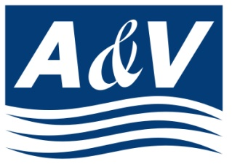 |  | A&V Waterjet Tech. Inc.

 |  | N116 W18395, Morse Drive, Germantown, WI 53022, USA Voice: 262-250-8100 Fax: 262-250-8690

 | customer |  |  | Packing LIST

Date:

Ship to:

Mark & No. | Description of Goods |  |  | Quantity | N.W. (LB) | G.W. (LB) | Measurement (L*W*H)

 | Air Chiller |  |  | 1 PIECE | 120.00 | 120.00 | 36"x24"x31"

 |  |  | TOTAL: | 1 PIECES | 120.00 | 120.00
 |  |  |  |  | lbs | lbs

